Sheet1
 |  | LONGCHAMP WB

 |  |  |  |  |  | 3,546
PICTURE | ItemNumber | Category | MATERIAL | Description | Color | QTY | MSRP | COST
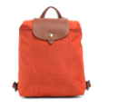 | L1699089685 | LADIES' BAGS | NYLON | LP BKPK | PAPRIKA | 56 | $140.00 | $93.00
 | L1699089P09 | LADIES' BAGS | NYLON | LP BKPK | PLUM | 16 | $140.00 | $93.00
 | L1899089685 | LADIES' BAGS | NYLON | LP LG SHLDR TOTE | PAPRIKA | 33 | $145.00 | $95.50
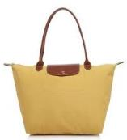 | L1899089C91 | LADIES' BAGS | NYLON | LP LG SHLDR TOTE | CURRY | 8 | $145.00 | $95.50
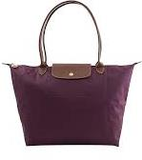 | L1899089P09 | LADIES' BAGS | NYLON | LP LG SHLDR TOTE | PLUM | 16 | $145.00 | $95.50
 | L2605089685 | LADIES' BAGS | NYLON | LP SM SHLDR TOTE | PAPRIKA | 23 | $125.00 | $85.50
 | L2605089C91 | LADIES' BAGS | NYLON | LP SM SHLDR TOTE | CURRY | 8 | $125.00 | $85.50
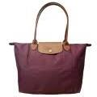 | L2605089P09 | LADIES' BAGS | NYLON | LP SM SHLDR TOTE | PLUM | 16 | $125.00 | $85.50
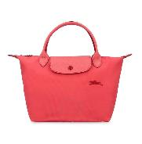 | L1621619P35 | LADIES' BAGS | NYLON | LPCLB SM TOP HNDL HB | POMEGRANTE | 10 | $105.00 | $75.50
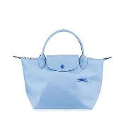 | L1621619P38 | LADIES' BAGS | NYLON | LPCLB SM TOP HNDL HB | BLUE | 8 | $105.00 | $75.50
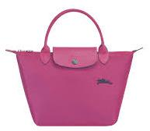 | L1621619P40 | LADIES' BAGS | NYLON | LPCLB SM TOP HNDL HB | FUCHSIA | 8 | $105.00 | $75.50
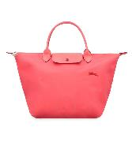 | L1623619P35 | LADIES' BAGS | NYLON | LPCLB MD TOP HNDL HB | POMEGRANTE | 8 | $140.00 | $93.00
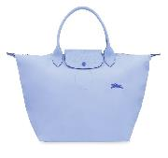 | L1623619P38 | LADIES' BAGS | NYLON | LPCLB MD TOP HNDL HB | BLUE | 8 | $140.00 | $93.00
 | L1623619P40 | LADIES' BAGS | NYLON | LPCLB MD TOP HNDL HB | FUCHSIA | 8 | $140.00 | $93.00
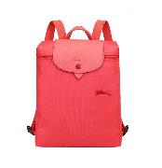 | L1699619P35 | LADIES' BAGS | NYLON | LPCLB BKPK | POMEGRANTE | 10 | $140.00 | $93.00
 | L1699619P38 | LADIES' BAGS | NYLON | LPCLB BKPK | BLUE | 16 | $140.00 | $93.00
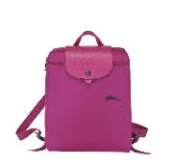 | L1699619P40 | LADIES' BAGS | NYLON | LPCLB BKPK | FUCHSIA | 8 | $140.00 | $93.00
 | L1899619564 | LADIES' BAGS | NYLON | LPCLB LG SHLDR TOTE | BLUE MIST | 280 | $130.00 | $88.00
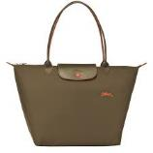 | L1899619A23 | LADIES' BAGS | NYLON | LPCLB LG SHLDR TOTE | KHAKI | 8 | $130.00 | $88.00
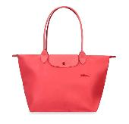 | L1899619P35 | LADIES' BAGS | NYLON | LPCLB LG SHLDR TOTE | POMEGRANTE | 12 | $130.00 | $88.00
 | L1899619P38 | LADIES' BAGS | NYLON | LPCLB LG SHLDR TOTE | BLUE | 12 | $130.00 | $88.00
 | L1899619P40 | LADIES' BAGS | NYLON | LPCLB LG SHLDR TOTE | FUCHSIA | 13 | $130.00 | $88.00
 | L2605619564 | LADIES' BAGS | NYLON | LPCLB SM SHLDR TOTE | BLUE MIST | 235 | $120.00 | $83.00
 | L2605619P35 | LADIES' BAGS | NYLON | LPCLB SM SHLDR TOTE | POMEGRANTE | 8 | $120.00 | $83.00
 | L2605619P38 | LADIES' BAGS | NYLON | LPCLB SM SHLDR TOTE | BLUE | 8 | $120.00 | $83.00
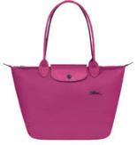 | L2605619P40 | LADIES' BAGS | NYLON | LPCLB SM SHLDR TOTE | FUCHSIA | 12 | $120.00 | $83.00
 | L1512310743 | LADIES' BAGS | NYLON | LP PNTH SM HB W/STR | NORDIC | 63 | $210.00 | $128.00
 | L1515310743 | LADIES' BAGS | NYLON | LP PNTH MD HB W/STR | NORDIC | 75 | $235.00 | $140.50
 | L1609310743 | LADIES' BAGS | NYLON | LP PNTH BKPK | NORDIC | 75 | $250.00 | $148.00
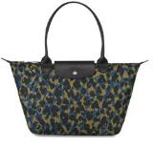 | L2605310743 | LADIES' BAGS | NYLON | LP PNTH MD SHLD TOTE | NORDIC | 55 | $170.00 | $108.00
 | L1512313117 | LADIES' BAGS | NYLON | LP MCRO SM HB W/STR | HONEY | 63 | $210.00 | $128.00
 | L1512313P13 | LADIES' BAGS | NYLON | LP MCRO SM HB W/STR | ANTIQUE PINK | 55 | $210.00 | $128.00
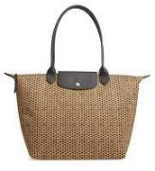 | L1899313117 | LADIES' BAGS | NYLON | LP MCRO LG SHLD TOTE | HONEY | 49 | $195.00 | $120.50
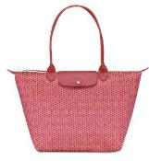 | L1899313P13 | LADIES' BAGS | NYLON | LP MCRO LG SHLD TOTE | ANTIQUE PINK | 17 | $195.00 | $120.50
 | L2541313P13 | SMALL LEATHER GOODS & OTHER ACCESSORIES | MISC | LE PL MICRO POUCH | ANTIQUE PINK | 23 | $80.00 | $63.00
 | L2605313117 | LADIES' BAGS | NYLON | LP MCRO MD SHLD TOTE | HONEY | 33 | $170.00 | $108.00
 | L2605313P13 | LADIES' BAGS | NYLON | LP MCRO MD SHLD TOTE | ANTIQUE PINK | 459 | $170.00 | $108.00
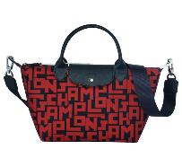 | L1512412C09 | LADIES' BAGS | NYLON | LP LGP SM HB W/STR | BLK/BRICK | 55 | $235.00 | $140.50
 | L1515412H08 | LADIES' BAGS | NYLON | LP LGP MD HB W/STR | SAGE/POPPY | 38 | $250.00 | $148.00
 | L1630413067 | LADIES' BAGS | NYLON | LP LGP LG HB W/STR | BLACK/WHITE | 50 | $290.00 | $168.00
 | L1630413C09 | LADIES' BAGS | NYLON | LP LGP LG HB W/STR | BLK/BRICK | 50 | $290.00 | $168.00
 | L3693415127 | SMALL LEATHER GOODS & OTHER ACCESSORIES | NYLON | LEPL FLR ZIP COIN | BLUE | 14 | $60.00 | $53.00
 | 10034578006 | LADIES' BAGS | MISC | LPNEO MD BELT BG | NAVY | 446 | $245.00 | $145.50
 | L1899578A27 | LADIES' BAGS | NYLON | LPNEO LG SHLDR TOTE | PEONY | 25 | $190.00 | $118.00
 | 10038598545 | LADIES' BAGS | CANVAS | LPNEO CAMERA BAG | RED | 10 | $260.00 | $153.00
 | 10054598001 | LADIES' BAGS | CANVAS | LPNEO SM BCKT | BLACK | 75 | $295.00 | $170.50
 | L1512598545 | LADIES' BAGS | CANVAS | LPNEO SM HB W/STR | RED | 35 | $220.00 | $133.00
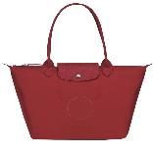 | L2605598545 | LADIES' BAGS | CANVAS | LPNEO MD SHLDR TOTE | RED | 41 | $175.00 | $110.50
 | L4559HPH001 | LADIES' BAGS | LEATHER | LPNEO WLLT/CHN | BLACK | 15 | $380.00 | $213.00
 | L4559HPH006 | LADIES' BAGS | LEATHER | LPNEO WLLT/CHN | NAVY | 15 | $380.00 | $213.00
 | L4559HPH215 | LADIES' BAGS | LEATHER | LPNEO WLLT/CHN | TAUPE | 17 | $380.00 | $213.00
 | L4559HPH232 | LADIES' BAGS | LEATHER | LPNEO WLLT/CHN | RASPBERRY | 26 | $380.00 | $213.00
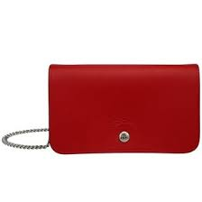 | L4559HPH545 | LADIES' BAGS | LEATHER | LPNEO WLLT/CHN | RED | 87 | $380.00 | $213.00
 | L4559HPH743 | LADIES' BAGS | LEATHER | LPNEO WLLT/CHN | NORDIC | 45 | $380.00 | $213.00
style ref | L4559HPHP52 | LADIES' BAGS | LEATHER | LPNEO WLLT/CHN | GRAPE | 25 | $380.00 | $213.00
 | L7705021G28 | ACCESSORIES | LEATHER | LF 3.5CM RV BELT | NAVY/CARAMEL | 20 | $155.00 | $100.50
 | L9614022585 | ACCESSORIES | LEATHER | DLTABX 3.5CM BELT | NAVY/BURGUNDY | 35 | $130.00 | $88.00
 | L9620022093 | ACCESSORIES | LEATHER | DLTABX 3.5CM BELT | BLACK/MOCHA | 10 | $130.00 | $88.00
 | L1469080127 | LUGGAGE | LUGGAGE | BXFD SM 21.75 TRLY | BLUE | 1 | $550.00 | $298.00
 | 10099757P15 | LADIES' BAGS | LEATHER | LPCR NANO XBDY | HONEY | 40 | $290.00 | $168.00
 | L1512757P34 | LADIES' BAGS | LEATHER | LPCR SM HB W/STR | ORANGE | 3 | $565.00 | $305.50
 | L1515757545 | LADIES' BAGS | LEATHER | LPCR MD HB W/STR | RED | 40 | $640.00 | $343.00
 | L1630757003 | LADIES' BAGS | LEATHER | LPCR LG HB W/STR | SIENNA | 20 | $720.00 | $383.00
style ref | L3418757529 | SMALL LEATHER GOODS & OTHER ACCESSORIES | LEATHER | LPCR 3/4 ZP WLLT 14C | CLOUD BLUE | 20 | $295.00 | $170.50
 | L3693757003 | SMALL LEATHER GOODS & OTHER ACCESSORIES | LEATHER | LPCR ZIP COIN PURSE | SIENNA | 13 | $95.00 | $70.50
 | L3693757P15 | SMALL LEATHER GOODS & OTHER ACCESSORIES | LEATHER | LPCR ZIP COIN PURSE | HONEY | 26 | $95.00 | $70.50
 | 10098772606 | LADIES' BAGS | LEATHER | LC3D CAMERA XBDY | MDNGHT BLU | 5 | $495.00 | $270.50
 | L3418772P52 | SMALL LEATHER GOODS & OTHER ACCESSORIES | LEATHER | LC3D 3/4 ZP WLLT 14C | GRAPE | 12 | $340.00 | $193.00
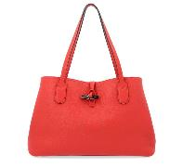 | L2686968545 | LADIES' BAGS | LEATHER | RO ESNTL MD SHL TOTE | RED | 100 | $640.00 | $343.00
 | L2694968545 | LADIES' BAGS | LEATHER | RO ESNTL LG SHL TOTE | RED | 20 | $755.00 | $400.50
 | L2686HNA001 | LADIES' BAGS | LEATHER | CVLD MD SHLDR TOTE | BLACK | 55 | $430.00 | $238.00
 | L4559HND529 | LADIES' BAGS | LEATHER | CVLD CROC WLLT/CHN | CLOUD BLUE | 10 | $445.00 | $245.50
 | L3146HSC001 | SMALL LEATHER GOODS & OTHER ACCESSORIES | LEATHER | RO BOX WD CNTL WLLT | BLACK | 15 | $295.00 | $170.50
 | 10106HTC001 | LADIES' BAGS | LEATHER | LC1980 SM RECT XBDY | BLACK | 20 | $330.00 | $188.00
 | L1624MRC001 | LUGGAGE | LEATHER | ANDRE 18 LG TRVL BAG | BLACK | 30 | $290.00 | $168.00
 | L1899MRC001 | LADIES' BAGS | LEATHER | ANDRE LG SHLDR TOTE | BLACK | 15 | $250.00 | $148.00
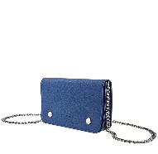 | L4559021280 | LADIES' BAGS | LEATHER | LF WLLT/CHN | SAPPHIRE | 20 | $375.00 | $210.50
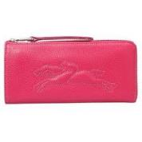 | L3418621018 | SMALL LEATHER GOODS & OTHER ACCESSORIES | LEATHER | LF 3/4 ZP WLLT 14CC | PINK | 20 | $295.00 | $170.50
 | L3418621608 | SMALL LEATHER GOODS & OTHER ACCESSORIES | LEATHER | LF 3/4 ZP WLLT 14CC | VERMILLION | 20 | $295.00 | $170.50
 | L1515737018 | LADIES' BAGS | LEATHER | LPCR MD HB W/STR | PINK | 12 | $565.00 | $305.50
 | L2068843001 | LADIES' BAGS | LEATHER | PNLP LG XBDY | BLACK | 15 | $740.00 | $393.00
 | 10022939A80 | LADIES' BAGS | LEATHER | AMZ PYT XS XBD/SHL | BLUSH | 15 | $670.00 | $358.00
 | L1398956016 | LADIES' BAGS | LEATHER | CVLD BKPK | NATURAL | 50 | $725.00 | $385.50

